1. Title Page
[Instacart Sales Patterns]

Project Name: Instacart's Sales Patterns
Date: July 7, 2021
Analyst Name: Carolina Zea

Contents:
Population Flow
Consistency checks
Wrangling steps
Column derivations
Visualizations
Recommendations

2. Population Flow
Title page

Population flow

Exclusion flag
Condition: max_order <
Obervations to be removed:
Final total count of order_products_all:

Orders_products_combined
Orders_products_merged
Orders_products_all

Total: 32,404,859
Total: 32,434,489
Total: 32, 404,859

1.) The grey boxes in the first row of the population flow represent the original data sets as they were when you downloaded them. In the Total fields you need to add the count of the rows when you imported the data set into Jupyter.
2.) The second row of boxes (coloured) represents the data sets after you manipulated them, e.g., removed missing values and duplicates. In the Total fields you need to add the count of the rows after conducting these operations. This offers a visual oveview of how the data flows throughout the data consistency checks.
3.) The third row, where also the arrows are coloured, represents the merges you performed between the datasets. In the Total fields you need to add the count of the rows in the merged datasets, so that you end up with the final dataset (in the red box). Keep in mind the final dataset should be without exclusions (based on the exclusion flag).

3. Consistency checks
 |  |  |  | Title page
Consistency checks

Dataset | Missing values | Missing values treatment | Duplicates
orders | days_since_prior_order' | 206,209 rows imputed | No duplicates
products | product_name' | 16 rows deleted | 5 duplicate rows deleted -> 'df_prods_clean'
orders_products_prior | No missing values | N/A | No duplicates
customers | No missing values | N/A | No duplicates

4. Wrangling steps
 |  |  |  | Title page
Wrangling steps

Columns dropped | Columns renamed | Columns' type changed | Comment/Reason
eval_set |  |  | Column not necessary for dataset
 |  | 'days_since_prior_order' | Missing values modified to mean values of column
 | 'order_dow' -> 'orders_day_of_week' |  | Changed to simplify column name
Unnamed: 0.1 |  |  | Column not necessary for dataset
Unnamed: 0_x' |  |  | Column not necessary for dataset
Unnamed: 0' |  |  | Column not necessary for dataset
 |  | order_id' | Column changed to string data type
First Name' |  |  | Column dropped due to PII
Last Name' |  |  | Column dropped due to PII

5. Column derivations
 |  |  |  | Title page

Column derivations and aggregations

In this tab you should add tables below that the frequences of flags/label variables that you produced after deriving them. NB: don't do this for continuous variables, only for flags.
Dataset | New column | Column/s it was derived from | Conditions
orders_products_merge | price_range_loc' | prices' | prices' > 15 then High Range Product, 'prices' <= 15 & > 5 then Mid-Range Product, 'prices' <= 5 then Low Range Product
orders_products_merge | busiest_day' | orders_day_of_week' | orders_day_of_week' = 0 then Busiest Day, 'orders_day_of_week' =4 then Least Busy, 'orders_day_of_week' > 4 then Regularly Busy
orders_products_merge | busiest_days' | 'busiest_slowest_days' | orders_day_of_week' = 0 and 1 then Busieset Days, 'orders_day_of week = 3 and 4 then Slowest Days, 'orders_day_of week' > 4 then Regular Busy
orders_products_merge | busiest_period_of_day' | order_hour_of_day' | order_hour_of_day' = 10 and 11 then Most Orders 'order_hour_of_day' = 4 and 3 then Fewest Orders 'order_hour_of_day' = <=2 then Average Orders
ords_prods_merge' | max_order | user_id' & 'order_number' | transform(np.max)
ords_prods_merge' | loyalty_flag | max_order' | max_order' > 40 then Loyal Customer 'max_order' <= 40 and > 10 then Regular Customer 'max_order' <=10 then New Customer
ords_prods_merge' | avg_price | user_id' & 'prices' | transform(np.max)
ords_prods_merge' | spending_flag' | avg_price' | avg_price' >= 10 then High Spender 'avg_price' < 10 then Low Spender
ords_prods_merge' | median_order' | user_id' & 'days_since_prior_order' | transform(np.max)
ords_prods_merge' | order_frequency_flag' | median_order' | median_order' > 20 then Non Frequent Customer 'median_order' <= 20 and > 10 then Regular Customer 'median_order' <=10 then Frequent Customer
df_low_activity_customer | customer_activity_flag' | order_number' | order_number' < 5 then Low Activity Customer 'order_number' >= then High Activity Customer
customer_profile | shopper age' | age' | age' >= 18 and <= 36 then Young Shopper 'age' >= 37 and <= 55 then Middle Age Shopper 'age' >=56 then Older Age Shopper
customer_profile | income level' | income' | income' < 40,100 then Low Earners 'income' >= 40,100 and <=120,400 then Middle Earners 'income' > 120,400 then High Earners
customer_profile | size of household' | 'n_dependants' | n_dependants' = 0 then No dependants 'n_dependants' >=1 and <=2 then Small Size Family 'n_dependants' >= 4 Large Size Family

6. Visualizations
Title page

Visualisations

In this tab you should include all the visualtions from Exercises 4.9 and 4.10, alongside the questions from the project brief that they answer. Include any commentary on the relationship between different variables.

What day of the week are Instacart's customers shopping?

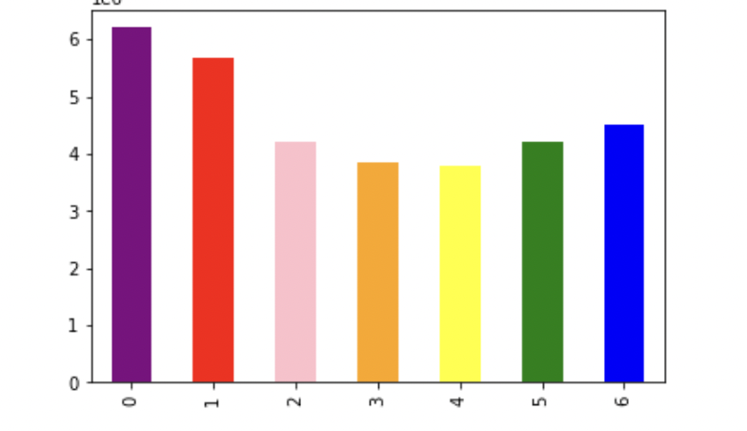
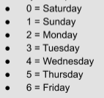

Based on the chart, Instacart's customers are more likely to shop on a Saturday, followed by Sunday. This could be due to an average worker's regular Monday-Friday workweek.

Does Instacart prices vary among products?

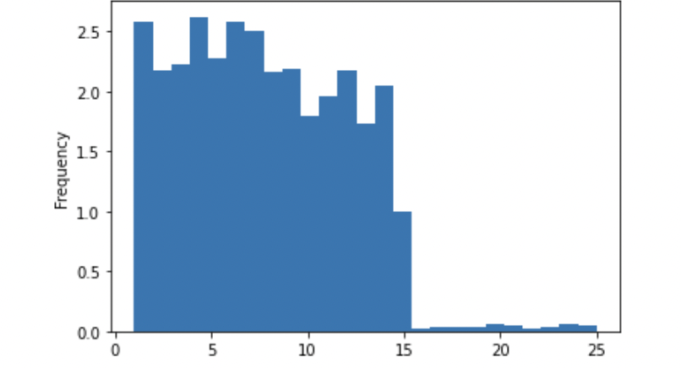

Based on the chart, Instacart's products mostly range between $0 to $15 dollars. There are only a few products in Instacart's stores that are over $15.

What day of the week are customers spending more money?

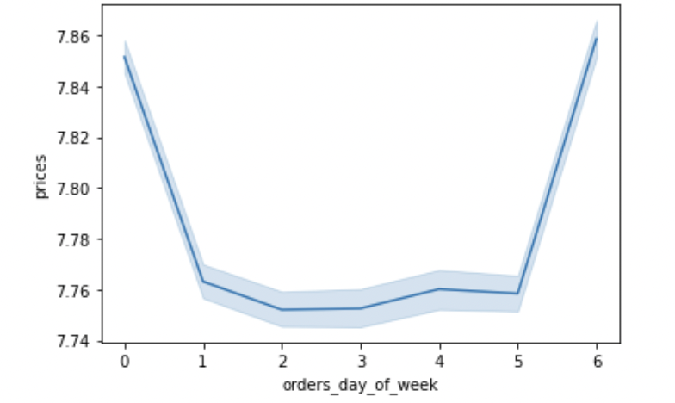

Based on the chart, customers spent the most money on a Sunday and Saturday. This ties in with the bar chart, where customers are shopping on those days as well. This could be due to families stocking up in food products over the weekend.

Does the shopper of the age influence sales?

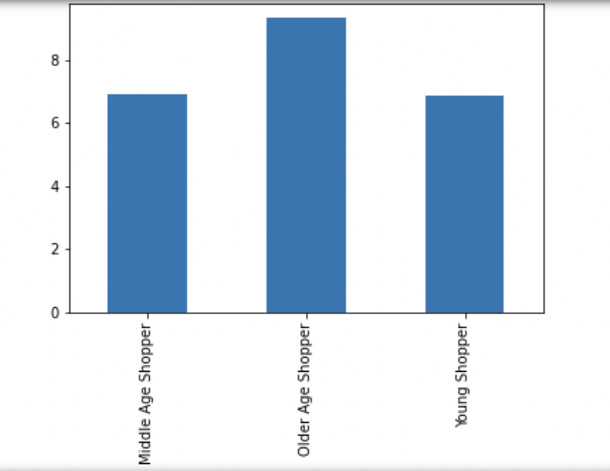

Based on the chart, shoppers who range from 56 years of age and above tend to shop more through Instacart, followed by middle age shoppers. This explanation could be due to economic status from household status, there are a number of external variables that could influence as to conclusion.

How often does customers re-order based on economic status?

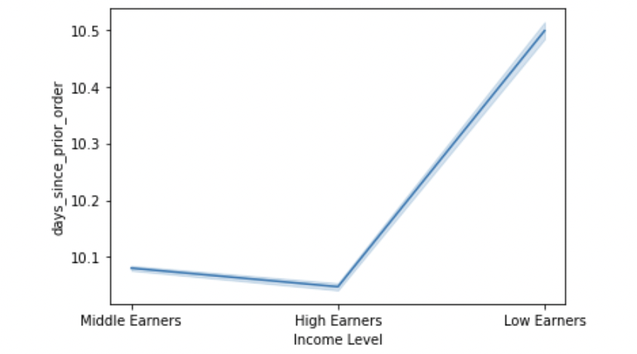

Based on the chart, customers who have high earning spending ability are more likely to re-order Instacart compared to low earners. High earners income roughly is estimated over $120,400.

How about family sized Instacart's members?

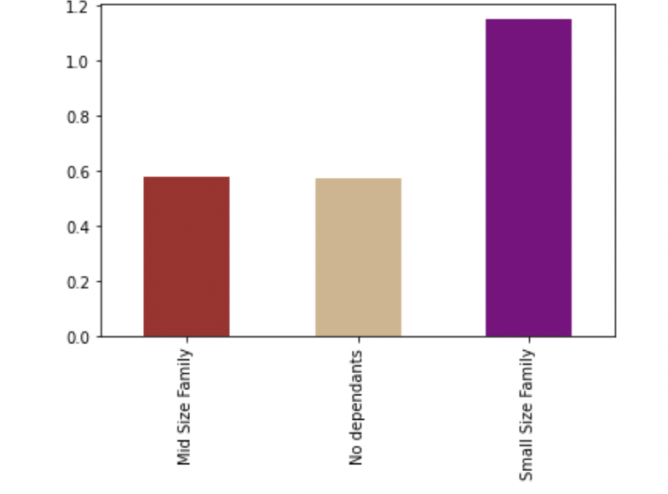

Based on the chart, small size family make up most of Instacart's data, where household members have either one or two children.

What department aisle are shoppers spending their money?

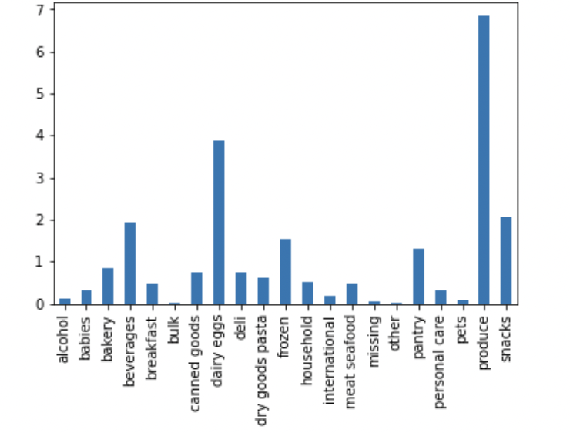

Based on the chart, most customers spend their money in the produce section of Instacart's departments, followed by dairy eggs then snacks.

Is there a region where most shoppers purchase from Instacart?

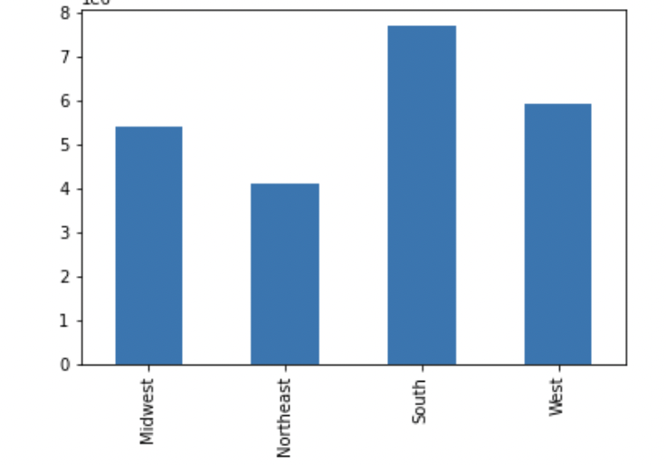

Based on the chart, southern regions of the US shop more via Instacart, followed by the Western US region.

7. Recommendations
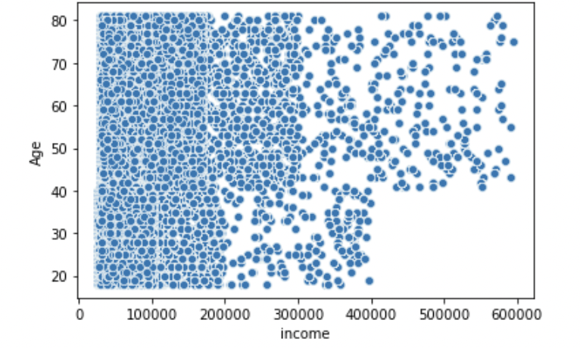
 |  | Title page

Recommendations

In this tab you should include any recommendations you would made to Instcart in terms of their marketing strategy based on the questions posed in the brief. Every key question has been covered in the Tasks of the Exercises - here you need to add an item - a visualisation or table/crosstable that is showing the answer in the data, acompanied by a comment from you. Please, list the questions below and add the answer underneath.

Question | Recommendation |  | Visualization

Busiest Hours of the Day

Instacart's data tells us that shoppers mostly shop in the morning, from the hours of 0900 hours to 1100 hours. The hours of 0300 hours are the hours where no shoppers purchase Instacart's products.
- 1000 : 1100 hours equate to Most orders
-0300 : 0400 hours equate to least orders
Based on this data, recommendation would include advertising sales in the morning therefore increasing revenue. If there should be any update, in regards to Instacart app or product quantity/sales on the main website, this should be done between the hours of 0300 and 0400 hours, where shoppers are least likely to checkout.
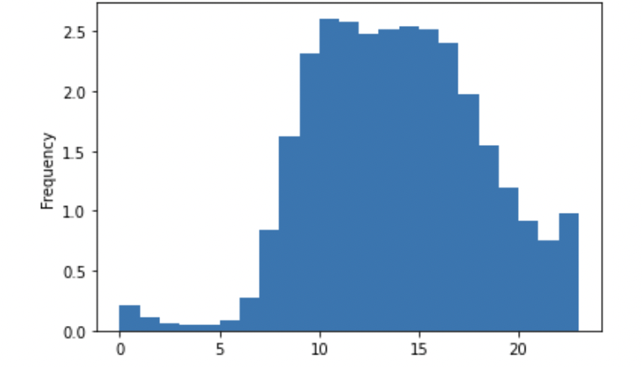
The senior technical officer at Instacart wants to identify the busiest hours of the day. Rather than by hour, they wants periods of time.

Spending Habits Among Customers

The marketing team at Instacart wants to know whether there’s a difference between the spending habits of the three types of customers.
There are three categories of customers: loyal, new and regular. What we are trying to determine is whether the prices of products purchased by loyal customers differ from those purchased by regular or new customers.
Based on this data alone, prices of products are increasingly more of a new customer, rather than a loyal one.
Recommendation includes giving an incentive to regular customers such as coupons or family referal points for Instacart products. This can increase customer return to Instacart.
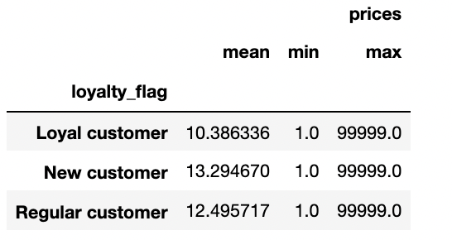

The team now wants to target different types of spenders in their marketing campaigns.
If the mean of the prices of products purchased by a user is lower than 10, then we would flag them as a “Low spender.” If the mean of the prices of products purchased by a user is higher than or equal to 10, then we would flag them as a “High spender.”
Since there are more low spender shoppers in regards to the mean of prices of products, recommendation includes marketing solely to low spenders and creating an incentive for these shoppers to spend more money through Instacart's products.
DIfferent Types of Spenders

If the median of days since last order, is higher than 20, then the customer will be labeled as “Non-frequent customer.” If the median is higher than 10 and lower than or equal to 20, then the customer will be labeled as a “Regular customer.” If the median is lower than or equal to 10, then the customer will be labeled a “Frequent customer.”
There are more frequent customers in regards to the last time a customer has re-ordered Instacart. These group of shoppers could be the loyal Instacart customers. Recommendation includes deriving an incentive for the specific products loyal customers keep re-ordering through the Instacart app so the already loyal customers can keep returning and buying.
In order to send relevant notifications to users within the app (for instance, asking users if they want to buy the same item again), the Instacart team wants you to determine frequent versus non-frequent customers.
Frequent vs Non-frequent Customers

In regards to distribution of orders among customers in terms of loyalty, regular customers ranks the highest. Not far behind are loyal customers, and coming in last are new customers. It will be best for Instacart's marketing team to focus more on the loyal customers, followed by regular customers.
Distribution of Orders Among Customers
The marketing team is curious about the distribution of orders among customers in terms of loyalty.

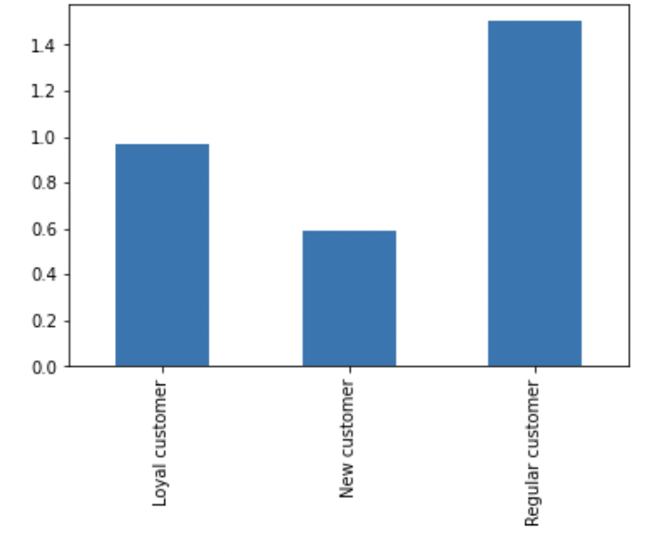

Determine whether there’s a connection between age and number of dependents
With customer's number of dependants ranging from 0 to 4 per household, the majority of parents is assumed to be around 60 years of age.
Recommendation includes providing household members discounts on bulk size supplies. Since we know that most families spend their Saturday or Sunday food shopping, Instacart can take this advantage and distribute product discounts day of to not only increase sales but to build rapport among families.
Distribution Among Age and # of Dependants

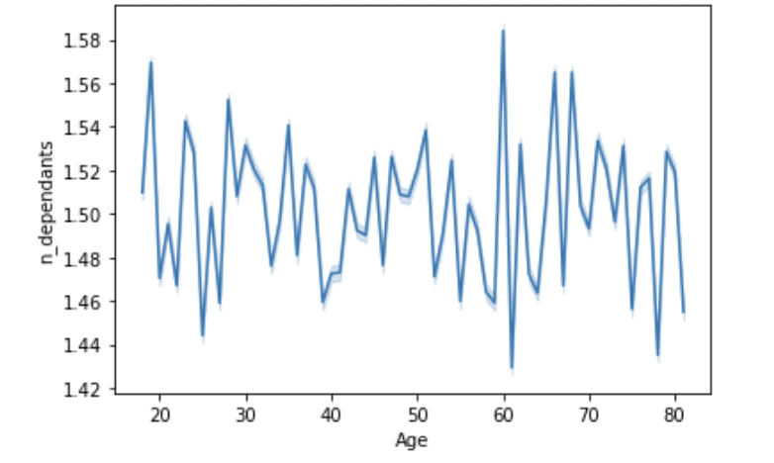

Determine whether there's a connection between age and spending power.
Based on this chart provided by Instacart's data, the higher the age, the more spending power customers have. Instacart can use this information and market these customers, older than 50 years of age to keep returning to Instacart.
Distribution Among Age and Spending Power

